Dashboard
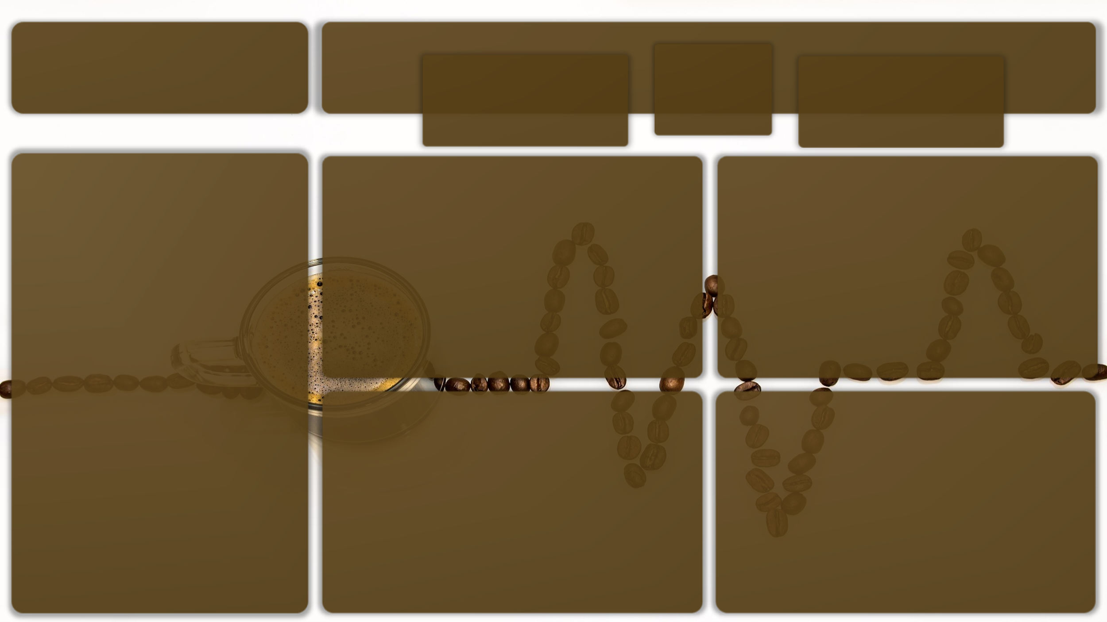
Coffee Sales Dashboard :
KPIs

Quantity Sold
Revenue

4500
31229

Payment Method Use By Location :
Quantity Sold by Payment Method :
Quantity Sold By Location

 | Total
In-store | 3017
Takeaway | 6983
 | Total
Cash | 702
Credit Card | 681
Digital Wallet | 1634
Cash | 1556
Credit Card | 1592
Digital Wallet | 3835
 | Total
Cash | 2258
Credit Card | 2273
Digital Wallet | 5469

Does the Location Have a relation with the Payment Method?
Quantity Sold By month:
Quantity Sold By Day :

 | Series2
1 | 818
2 | 1187
3 | 827
4 | 774
5 | 777
6 | 818
7 | 791
8 | 803
9 | 788
10 | 838
11 | 784
12 | 795
 | Total
Monday | 1842
Tuesday | 1311
Wednesday | 1341
Thursday | 1380
Friday | 1388
Saturday | 1358
Sunday | 1380

Over all, there's sligtly relation between Payment Method & Location in-store & takeway has the same dominition by Digital wallet, follwed by slighly change between credit card & cash

